Read_Me
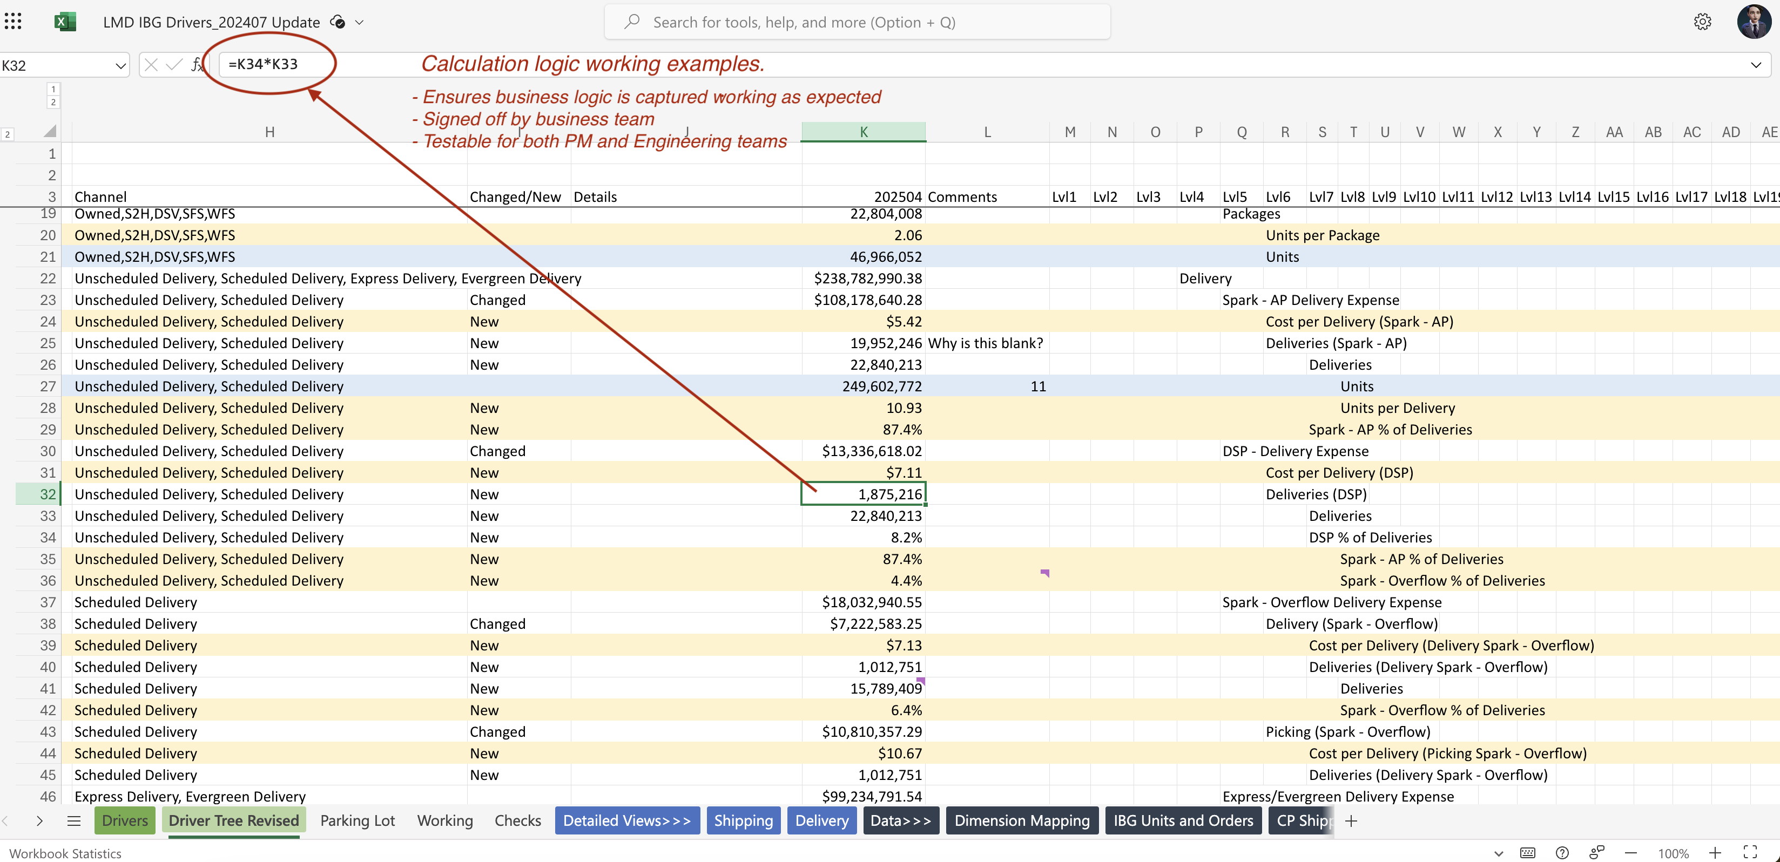
Responsibilities for Business: | Columns that are in Green | Calculation Logic Example
Responsibilites for Product: | Columns in Orange
Support needed:

Column | Description
Node Nbr | IBG Node Number
Node ID | IBG Node ID
Node Name | Name of Metric (can be pulled from tree structure in columns M-AK)
Calc/Input | Is this metric an edittable value for forecasting, an input or a calculated field. Please type "Input" or "Calculated"
Granularity | At what grain does this data exist? Ie. Month, Channel, SBU
GL (if applicable) | What GL does this map to
Entity (if applicable) | What cost center(s) does this map to
Channel | Filters required for Channel. If none put "All"
SBU | Filters required for SBU. If none put "All"
Department | Filters required for Dept. If none put "All"
FY25 M1 | Source of Truth value for this metric for FY25M1. If calculated provide calculation logic
FY25 M2 | Source of Truth value for this metric for FY25M2. If calculated provide calculation logic
FY25 M3 | Source of Truth value for this metric for FY25M3. If calculated provide calculation logic
Source | Where is this data coming from?
Source Query | Is there a query from the data lake where we can pull this number
Source/Tech Team Point of Contact | Who is a point of contact who is an SME for this data source
Explain | In plaintext, explain any context to this metric and its business logic

